Ecological Impact
Project Name | Technology | Reactor Type | Short Description | Fuel | Coolant Type | Outlet Coolant | Thermal efficiency | Ecological impact
Units | 0 | 0 | 0 | 0 | 0 | °C | % | /10
4S | Liquid Metal cooled | LMFR (pool type) | Core lifetime of ~30 years without on-site refuelling, passive walkaway safety | Uranium | Sodium | 510 | 0.333 | 4
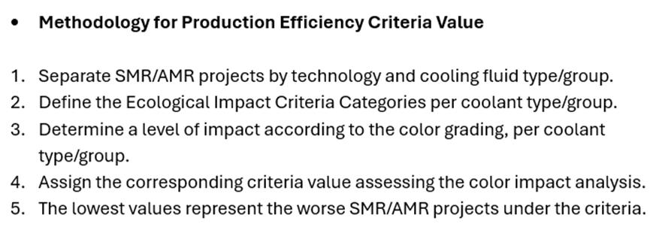
ACP100 | Water Cooled SMR | Integral PWR | Integrated reactor with tube-in-tube once through steam generator, nuclear island underground | Uranium | Light Water | 319,5 | 0.325 | 8
AHTR-100 | High Temp Gas cooled SMR | HTGR (pebble bed) | A multipurpose reactor for cogenerations of electricity, heat and hydrogen; high-temperature heat supply to oil refinery plant | Uranium | Helium/Graphite | 1200 | 0.5 | 6
ARC-100 | Liquid Metal cooled | LMFR (pool type) | Inherent safety with passive, diverse and redundant decay heat removal. Core lifetime of 20 years without refueling. | Uranium | Sodium | 510 | 0.35 | 4
BREST-OD-300 | Liquid Metal cooled | LMFR (pool type) | High level of inherent safety due to natural properties of the lead, fuel, core and cooling design | Uranium | Lead | 535 | 0.429 | 2
BWRX-300 | Water Cooled SMR | BWR | Natural circulation BWR, integral RPV isolation valves, isolation condenser | Uranium | Light Water | 288 | 0.322 | 8
CANDU SMR | Water Cooled SMR | PHWR | Natural Uranium fuel (no enrichment); high degree of localization | Uranium | Heavy Water (D2O) | 310 | 0.313 | 7
CAP200 | Water Cooled SMR | PWR | Compact layout; Passive safety; Underground containmen | Uranium | Light Water | 313 | 0.303 | 8
CAREM | Water Cooled SMR | Integral PWR | Core heat removal by natural circulation, pressure suppression containment | Uranium | Light Water | 326 | 0.3 | 8
CMSR | Molten Salt SMR | MSR | CMSR integrated into a floating non- self-propelled Power Barge; new CMSR units installed after 12 years. CMSR Power Barge operates for 24 years. Moduar Nature provides output from 200-800 MWe Liquid fuel which is the primary coolant, and a liquid moderator. | Uranium | Fluoride fuel salt / NaOH salt (patented moderator) | 670 | 0.4 | 3
Copenhagen Atomics Waste Burner | Molten Salt SMR | MSR | Liquid moderator, Low fissile inventory, and Potential for breeding | Uranium | Fuel salt/heavy water | 700 | 0 | 5
DHR400 | Water Cooled SMR | PWR (pool type) | Inherent safety features / Economical / Heat load tracking capability | Uranium | Light Water | 98 | 0 | 8
EM^2 | High Temp Gas cooled SMR | GFR | No core meltdown, no active engineered safety systems | Uranium | Helium | 850 | 0.53 | 9
FMR | High Temp Gas cooled SMR | GFR | Convert-and-burn/Silicon carbide composite cladding/ Fission gas collection | Uranium | Helium | 800 | 0.5 | 9
FUJI | Molten Salt SMR | MSR | Self-sustaining at FUJI-U3. Spent fuel salt is reprocessed at off-site facility. | Uranium | Molten fluoride/graphite | 704 | 0.444 | 3
GTHTR300 | High Temp Gas cooled SMR | HTGR (prismatic) | Compact, low-weight design; simplicity of manufacturing, flexibility of operation; intrinsic passive safet | Uranium | Helium/Graphite | 900 | 0.5 | 6
GT-MHR | High Temp Gas cooled SMR | HTGR (prismatic) | Multiple applications of power generation, cogeneration of hydrogen, process heat, steelmaking, desalination, district heating | Uranium | Helium/Graphite | 850 | 0.48 | 6
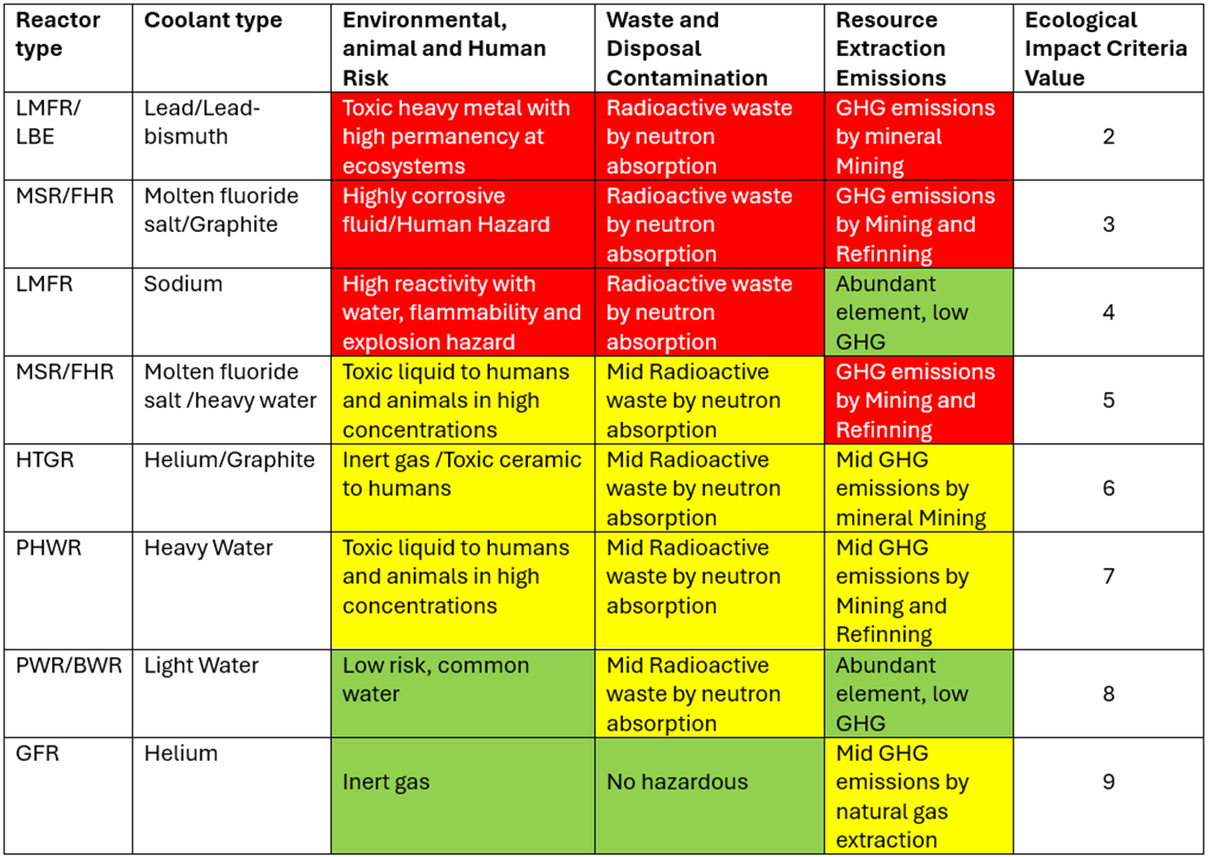
HAPPY200 | Water Cooled SMR | PWR | Pool-loop combined type reactor, heat generator | Uranium | Light Water | 120 | 0 | 8
HTMR100 | High Temp Gas cooled SMR | HTGR (pebble bed) | Inherent safety characteristics; no core melt; high efficiency; small number of safety systems Design status Preliminary desi | Uranium | Helium/Graphite | 750 | 0.35 | 6
HTR-10 | High Temp Gas cooled SMR | HTGR (pebble bed) | Inherent safety, no need for offsite emergency measures | Uranium | Helium/Graphite | 700 | 0.25 | 6
HTR-PM | High Temp Gas cooled SMR | HTGR (pebble bed) | Inherent safety, no need for offsite emergency measures | Uranium | Helium/Graphite | 750 | 0.42 | 6
HTTR | High Temp Gas cooled SMR | HTGR (prismatic) | To verify and demonstrate the technical and safety features; and to establish an experimental base for process heat applications | Uranium | Helium/Graphite | 850 | 0 | 6
IMR | Water Cooled SMR | PWR | Integral PWR with natural circulation; employs two types of in-vessel steam generator | Uranium | Light Water | 345 | 0.35 | 8
IMSR400 | Molten Salt SMR | MSR | Core-unit replaced completely as a single unit every 7 years; Fuel salt is reused from one Core-unit to the next | Uranium | Fluoride Fuel Salt/graphite | 700 | 0.886 | 3
i-SMR | Water Cooled SMR | Integral PWR | At least 72 hours for core cooling without AC/DC power | Uranium | Light Water | 320,9 | 0.315 | 8
Jimmy | High Temp Gas cooled SMR | HTGR (prismatic) | hardened silos | Uranium | Helium/Graphite | 700 | 0 | 6
KARAT-100 | Water Cooled SMR | BWR | Multi-purpose reactor: cogeneration of electricity and heat | Uranium | Light Water | 286 | 0.278 | 8
KARAT-45 | Water Cooled SMR | BWR | Designed for extreme arctic and northern area conditions | Uranium | Light Water | 286 | 0.278 | 8
KP-FHR | Molten Salt SMR | FHR | longer than 72-hours coping time for core cooling without AC/DC power or operation action | Uranium | Li2BeF4 (Molten salt) / graphite | 650 | 0.438 | 5
LFR-AS-200 | Liquid Metal cooled | LMFR (pool type) | Active + passive walkaway safety; No intermediate loops; Simple, compact primary system: ≤ 1 m3/MWe; Compact reactor building. | Uranium | Lead | 530 | 0.417 | 2
LFTR | Molten Salt SMR | MSR | Complete consumption of thorium resource for energy generation | Uranium | LiF-BeF2-UF4 fuel salt / Graphite | 650 | 0.417 | 3
MCSFR | Molten Salt SMR | MSR (fast spectrum) | Fast spectrum, no in-core structure, 60 years fuel life | Uranium | NaCl-XClv-YClz-UCl3/4-PuCl3-FPClx fuel salt / None | 750 | 0.4 | 3
MHR-100 | High Temp Gas cooled SMR | HTGR | Multi-module HTGR dedicated to hydrogen production / high temperature process heat application. | Uranium | Helium/Graphite | 950 | 0.405 | 6
MHR-T | High Temp Gas cooled SMR | HTGR | Inherent safety characteristics; no core melt; high temperature process heat capabilities; small number of safety systems | Uranium | Helium/Graphite | 950 | 0.343 | 6
MicroURANUS | Liquid Metal cooled | LBE-cooled Reactor | Ex-vessel emergency water cooling system | Uranium | Lead-bismuth Pb-Bi (45-55% Wt.%) eutectic alloy | 350 | 0.333 | 2
Mk1 PB-FHR | Molten Salt SMR | FHR | Large fuel and coolant thermal margin, high temperature operation | Uranium | Li2BeF4 (Molten salt) / graphite | 700 | 0.424 | 5
mPower | Water Cooled SMR | Integral PWR | In-vessel control rod drives mechanism | Uranium | Light Water | 318,9 | 0.339 | 8
NHR200-II | Water Cooled SMR | Integral PWR | Natural Circulation, Passive Safety | Uranium | Light Water | 280 | 0 | 8
NUWARD | Water Cooled SMR | Integral PWR | Integrated NSSS with pool submerged containment, boron-free in normal operation and in all Design Basis Conditions (DBC), semi-buried nuclear island | Uranium | Light Water | 307 | 0 | 8
OPEN20 | Water Cooled SMR | PWR | Fully-modular construction, underground nuclear island, digital controls, closed tertiary loop using air cooling | Uranium | Light Water | 312 | 0.301 | 8
PBMR-400 | High Temp Gas cooled SMR | HTGR (pebble bed) | Inherent safety characteristics; no core melt; high efficiency; small number of safety systems | Uranium | Helium/Graphite | 900 | 0.413 | 6
PeLUIt / RDE | High Temp Gas cooled SMR | HTGR (pebble bed) | Coated particle fuel; passive decay heat removal; passive safety; high temperature process steam; vented reactor building; 400m EPZ (emergency planning zone); underground construction; modular construction; available in a range of stationary (s) and mobile (m) power levels: 315(s), 180(s), 54(s), 10(s) and 7m (MWth) | Uranium | Helium/Graphite | 750 | 0 | 6
RITM-200N | Water Cooled SMR | Integral PWR | Modular design; integral reactor; in-vessel corium retention in severe accidents | Uranium | Light Water | 321 | 0.289 | 8
RR SMR | Water Cooled SMR | PWR | Modular approach facilitating rapid and cost-effective build. | Uranium | Light Water | 325 | 0.346 | 8
RUTA-70 | Water Cooled SMR | PWR (pool type) | Design capable for radioisotopes production for medical, neutron beams for neutron therapy and industrial purposes | Uranium | Light Water | 102 | 0 | 8
SC-HTGR | High Temp Gas cooled SMR | HTGR (prismatic) | Online refuelling, core cannot melt and fuel damage minimized by design, independent radionuclide barriers, potential for advanced fuel cycles | Uranium | Helium/Graphite | 750 | 0.435 | 6
SEALER-55 | Liquid Metal cooled | LMFR | Nuclear battery | Uranium | Lead | 550 | 0.393 | 2
SMART | Water Cooled SMR | Integral PWR | Coupling with desalination and process heat application, integrated primary system | Uranium | Light Water | 322 | 0.293 | 8
SMR-160 | Water Cooled SMR | PWR | Passive safety cooling systems and active non-safety systems; critical components below grade. Integrated dry spent fuel storage and transportation system | Uranium | Light Water | 321 | 0.305 | 8
smTMSR-400 | Molten Salt SMR | MSR | Replaceable Reactor module (~10 years); Passive safety Near 40% power contributed by thorium | Uranium | LiF-BeF2-ZrF4-ThF4-UF4 fuel salt / Graphite | 700 | 0.42 | 3
SSR-U | Molten Salt SMR | FHR | Low pressure molten salt reactor system; ~20 years fuel cycle; ~700°C heat output; Thermal | Uranium | Molten eutectic fluoride coolant salt / solid commercial grade graphite moderator | 795 | 0.4 | 3
SSR-W | Molten Salt SMR | MSR (static fuelled) | Molten salt fuel in conventional fuel Assemblies. Thermal energy storage. | Uranium | Coolant is molten salt MgCl/NaCl No moderator | 625 | 0.4 | 3
STAR | Water Cooled SMR | LWR (pressure tube) | Compact, low-weight design without a pressure vessel; flexibility of operation; intrinsic passive safety | Uranium | Light Water | 300 | 0.333 | 8
Starcore | High Temp Gas cooled SMR | HTGR (prismatic) | 3 blocks in design + RPV 30 Metres below grade in | Uranium | Helium/Graphite | 750 | 0.4 | 6
SVBR | Liquid Metal cooled | LMFR | Integral monoblock primary circuit where reactor, steam generators, pumps are installed in one vessel | Uranium | Lead-bismuth eutectic alloy | 485 | 0.357 | 2
TEPLATOR | Water Cooled SMR | HWR | District heating zero CO2 source with zero fuel cost, heatstorage for decay heat removal. | Uranium | Heavy Water (D2O) | 192 | 0 | 7
ThorCon | Molten Salt SMR | MSR | Full passive safety, short construction time, low cost | Uranium | Molten salts / graphite | 704 | 0.449 | 3
THORIZON | Molten Salt SMR | MSR | Nuclear safe core material replacement strategy, with external core module series production, continuous improvement by module updates, and fuel cycle flexibility | Uranium | Molten salt/graphite (no salt-graphite contact) | 800 | 0.4 | 3
VK-300 | Water Cooled SMR | BWR | Innovative passive BWR based on operating prototype and welldeveloped equipment | Uranium | Light Water | 285 | 0.333 | 8
VOYGR | Water Cooled SMR | Integral PWR | Unlimited time for core cooling without AC or DC power, or water addition, or operator action | Uranium | Light Water | 316 | 0.308 | 8
Westinghouse LFR | Liquid Metal cooled | LMFR (pool type) | Safety demonstration test | Uranium | Lead / fast spectrum | 650 | 0.474 | 2
Westinghouse SMR | Water Cooled SMR | Integral PWR | Incorporates passive safety systems and proven components of the AP1000 plant and earlier Westinghouse designs | Uranium | Light Water | 324 | 0.281 | 8
Xe-100 | High Temp Gas cooled SMR | HTGR (pebble bed) | Silicon carbide composite cladding | Uranium | Helium/Graphite | 750 | 0.413 | 6

Production Efficiency
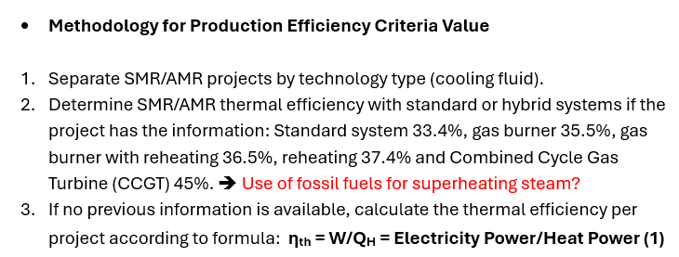
Project Name | Technology | Electricity Power Output | Thermal Output | Thermal Efficiency | Value Production Efficiency (Thermal) | Production Efficiency ALK | Value ALK | Production Efficiency PEM | Value PEM | Production Efficiency SOEC | Value SOEC
Units | 0 | MWe | MWt | % | /10 | % | /10 | % | /10 | % | /10
Copenhagen Atomics Waste Burner | Molten Salt SMR | 0 | 100 | 0% | 0 | 0.00% | 0 | 0.00% | 0 | 0.00% | 0
DHR400 | Water Cooled SMR | 0 | 400 | 0% | 0 | 0.00% | 0 | 0.00% | 0 | 0.00% | 0
HAPPY200 | Water Cooled SMR | 0 | 200 | 0% | 0 | 0.00% | 0 | 0.00% | 0 | 0.00% | 0
HTTR | High Temp Gas cooled SMR | 0 | 30 | 0.00% | 0 | 0.00% | 0 | 0.00% | 0 | 0.00% | 0
Jimmy | High Temp Gas cooled SMR | 0 | 20 | 0.00% | 0 | 0.00% | 0 | 0.00% | 0 | 0.00% | 0
NHR200-II | Water Cooled SMR | 0 | 200 | 0.00% | 0 | 0.00% | 0 | 0.00% | 0 | 0.00% | 0
PeLUIt / RDE | High Temp Gas cooled SMR | 0 | 40 | 0.00% | 0 | 0.00% | 0 | 0.00% | 0 | 0.00% | 0
RUTA-70 | Water Cooled SMR | 0 | 70 | 0.00% | 0 | 0.00% | 0 | 0.00% | 0 | 0.00% | 0
TEPLATOR | Water Cooled SMR | 0 | 150 | 0.00% | 0 | 0.00% | 0 | 0.00% | 0 | 0.00% | 0
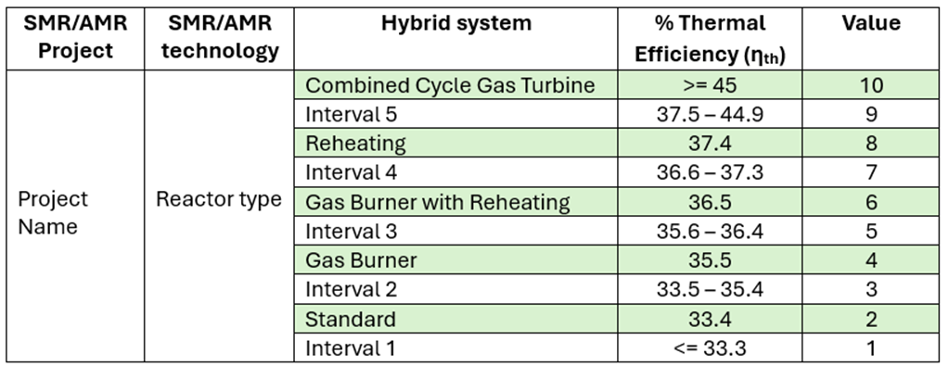
HTR-10 | High Temp Gas cooled SMR | 2.5 | 10 | 25.00% | 1 | 17.50% | 3 | 15.00% | 2 | 20.30% | 4
KARAT-100 | Water Cooled SMR | 100 | 360 | 27.80% | 1 | 19.40% | 4 | 16.70% | 2 | 22.50% | 5
KARAT-45 | Water Cooled SMR | 50 | 180 | 27.80% | 1 | 19.40% | 4 | 16.70% | 2 | 22.50% | 5
Westinghouse SMR | Water Cooled SMR | 225 | 800 | 28.10% | 1 | 19.70% | 4 | 16.90% | 2 | 22.80% | 5
RITM-200N | Water Cooled SMR | 55 | 190 | 28.90% | 1 | 20.30% | 4 | 17.40% | 3 | 23.40% | 5
SMART | Water Cooled SMR | 107 | 365 | 29.30% | 1 | 20.50% | 4 | 17.60% | 3 | 23.70% | 6
CAREM | Water Cooled SMR | 30 | 100 | 30.00% | 1 | 21.00% | 4 | 18.00% | 3 | 24.30% | 6
OPEN20 | Water Cooled SMR | 22 | 73 | 30.10% | 1 | 21.10% | 4 | 18.10% | 3 | 24.40% | 6
CAP200 | Water Cooled SMR | 200 | 660 | 30.30% | 1 | 21.20% | 4 | 18.20% | 3 | 24.50% | 6
SMR-160 | Water Cooled SMR | 160 | 525 | 30.50% | 1 | 21.30% | 4 | 18.30% | 3 | 24.70% | 6
VOYGR | Water Cooled SMR | 77 | 250 | 30.80% | 1 | 21.60% | 5 | 18.50% | 3 | 24.90% | 6
CANDU SMR | Water Cooled SMR | 300 | 960 | 31.30% | 1 | 21.90% | 5 | 18.80% | 3 | 25.30% | 6
i-SMR | Water Cooled SMR | 170 | 540 | 31.50% | 1 | 22.00% | 5 | 18.90% | 3 | 25.50% | 6
NUWARD | Water Cooled SMR | 340 | 1080 | 31.50% | 1 | 22.00% | 5 | 18.90% | 3 | 25.50% | 6
BWRX-300 | Water Cooled SMR | 280 | 870 | 32.20% | 1 | 22.50% | 5 | 19.30% | 4 | 26.10% | 7
ACP100 | Water Cooled SMR | 125 | 385 | 32.50% | 1 | 22.70% | 5 | 19.50% | 4 | 26.30% | 7
4S | Liquid Metal cooled | 10 | 30 | 33.30% | 1 | 23.30% | 5 | 20.00% | 4 | 27.00% | 7
MicroURANUS | Liquid Metal cooled | 20 | 60 | 33.30% | 1 | 23.30% | 5 | 20.00% | 4 | 27.00% | 7
STAR | Water Cooled SMR | 10 | 30 | 33.30% | 1 | 23.30% | 5 | 20.00% | 4 | 27.00% | 7
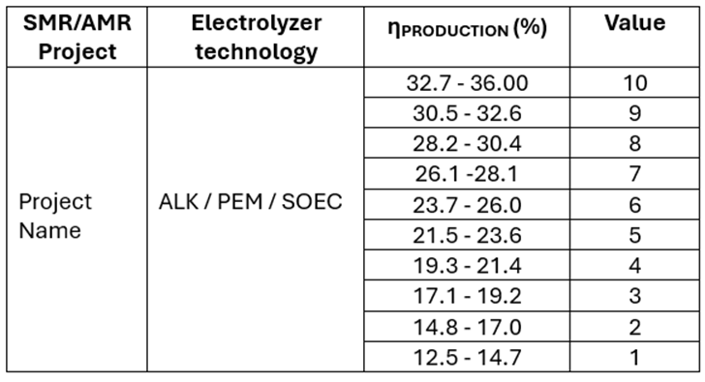
VK-300 | Water Cooled SMR | 250 | 750 | 33.30% | 1 | 23.30% | 5 | 20.00% | 4 | 27.00% | 7
mPower | Water Cooled SMR | 195 | 575 | 33.90% | 3 | 23.70% | 6 | 20.30% | 4 | 27.50% | 7
MHR-T | High Temp Gas cooled SMR | 822 | 2400 | 34.30% | 3 | 24.00% | 6 | 20.60% | 4 | 27.70% | 7
RR SMR | Water Cooled SMR | 470 | 1358 | 34.60% | 3 | 24.20% | 6 | 20.80% | 4 | 28.00% | 7
ARC-100 | Liquid Metal cooled | 100 | 286 | 35.00% | 3 | 24.50% | 6 | 21.00% | 4 | 28.30% | 8
HTMR100 | High Temp Gas cooled SMR | 35 | 100 | 35.00% | 3 | 24.50% | 6 | 21.00% | 4 | 28.40% | 8
IMR | Water Cooled SMR | 350 | 1000 | 35.00% | 3 | 24.50% | 6 | 21.00% | 4 | 28.40% | 8
SVBR | Liquid Metal cooled | 100 | 280 | 35.70% | 5 | 25.00% | 6 | 21.40% | 4 | 28.90% | 8
SEALER-55 | Liquid Metal cooled | 55 | 140 | 39.30% | 9 | 27.50% | 7 | 23.60% | 5 | 31.80% | 9
CMSR | Molten Salt SMR | 100 | 250 | 40.00% | 9 | 28.00% | 7 | 24.00% | 6 | 32.40% | 9
MCSFR | Molten Salt SMR | 1200 | 3000 | 40.00% | 9 | 28.00% | 7 | 24.00% | 6 | 32.40% | 9
SSR-U | Molten Salt SMR | 16 | 40 | 40.00% | 9 | 28.00% | 7 | 24.00% | 6 | 32.40% | 9
SSR-W | Molten Salt SMR | 300 | 750 | 40.00% | 9 | 28.00% | 7 | 24.00% | 6 | 32.40% | 9
Starcore | High Temp Gas cooled SMR | 60 | 150 | 40.00% | 9 | 28.00% | 7 | 24.00% | 6 | 32.40% | 9
THORIZON | Molten Salt SMR | 120 | 300 | 40.00% | 9 | 28.00% | 7 | 24.00% | 6 | 32.40% | 9
MHR-100 | High Temp Gas cooled SMR | 87 | 215 | 40.50% | 9 | 28.30% | 8 | 24.30% | 6 | 32.80% | 10
PBMR-400 | High Temp Gas cooled SMR | 165 | 400 | 41.30% | 9 | 28.90% | 8 | 24.80% | 6 | 33.40% | 10
Xe-100 | High Temp Gas cooled SMR | 82.5 | 200 | 41.30% | 9 | 28.90% | 8 | 24.80% | 6 | 33.40% | 10
LFR-AS-200 | Liquid Metal cooled | 200 | 480 | 41.70% | 9 | 29.20% | 8 | 25.00% | 6 | 33.80% | 10
LFTR | Molten Salt SMR | 250 | 600 | 41.70% | 9 | 29.20% | 8 | 25.00% | 6 | 33.80% | 10
HTR-PM | High Temp Gas cooled SMR | 210 | 500 | 42.00% | 9 | 29.40% | 8 | 25.20% | 6 | 34.00% | 10
smTMSR-400 | Molten Salt SMR | 168 | 400 | 42.00% | 9 | 29.40% | 8 | 25.20% | 6 | 34.00% | 10
Mk1 PB-FHR | Molten Salt SMR | 100 | 236 | 42.40% | 9 | 29.70% | 8 | 25.40% | 6 | 34.30% | 10
BREST-OD-300 | Liquid Metal cooled | 300 | 700 | 42.90% | 9 | 30.00% | 8 | 25.70% | 6 | 34.70% | 10
SC-HTGR | High Temp Gas cooled SMR | 272 | 625 | 43.50% | 9 | 30.50% | 9 | 26.10% | 7 | 35.30% | 10
KP-FHR | Molten Salt SMR | 140 | 320 | 43.80% | 9 | 30.60% | 9 | 26.30% | 7 | 35.40% | 10
FUJI | Molten Salt SMR | 200 | 450 | 44.40% | 9 | 31.10% | 9 | 26.70% | 7 | 36.00% | 10
ThorCon | Molten Salt SMR | 250 | 557 | 44.90% | 10 | 31.40% | 9 | 26.90% | 7 | 36.40% | 10
Westinghouse LFR | Liquid Metal cooled | 450 | 950 | 47.40% | 10 | 33.20% | 10 | 28.40% | 8 | 38.40% | 10
GT-MHR | High Temp Gas cooled SMR | 288 | 600 | 48.00% | 10 | 33.60% | 10 | 28.80% | 8 | 38.90% | 10
AHTR-100 | High Temp Gas cooled SMR | 50 | 100 | 50.00% | 10 | 35.00% | 10 | 30.00% | 8 | 40.50% | 10
FMR | High Temp Gas cooled SMR | 50 | 100 | 50.00% | 10 | 35.00% | 10 | 30.00% | 8 | 40.50% | 10
GTHTR300 | High Temp Gas cooled SMR | 300 | 600 | 50.00% | 10 | 35.00% | 10 | 30.00% | 8 | 40.50% | 10
EM^2 | High Temp Gas cooled SMR | 265 | 500 | 53.00% | 10 | 37.10% | 10 | 31.80% | 9 | 42.90% | 10
IMSR400 | Molten Salt SMR | 390 | 440 | 88.60% | 10 | 62.00% | 10 | 53.20% | 10 | 71.80% | 10

Safety
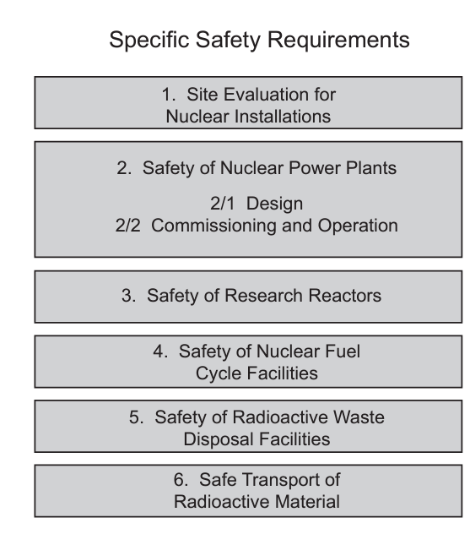
Projects | Grade
Units | /10
4S
ACP100
AHTR-100
ARC-100
BREST-OD-300
BWRX-300
CANDU SMR
CAP200
CAREM
CMSR
Copenhagen Atomics Waste Burner
DHR400
EM^2
FMR
FUJI
GTHTR300
GT-MHR
HAPPY200
HTMR100
HTR-10
HTR-PM
HTTR
IMR
IMSR400
i-SMR
Jimmy
KARAT-100
KARAT-45
KP-FHR
LFR-AS-200
LFTR
MCSFR
MHR-100
MHR-T
MicroURANUS
Mk1 PB-FHR
mPower
NHR200-II
NUWARD
OPEN20
PBMR-400
PeLUIt / RDE
RITM-200N
RR SMR
RUTA-70
SC-HTGR
SEALER-55
SMART
SMR-160
smTMSR-400
SSR-U
SSR-W
STAR
Starcore
SVBR
TEPLATOR
ThorCon
THORIZON
VK-300
VOYGR
Westinghouse LFR
Westinghouse SMR
Xe-100

Technology Readiness
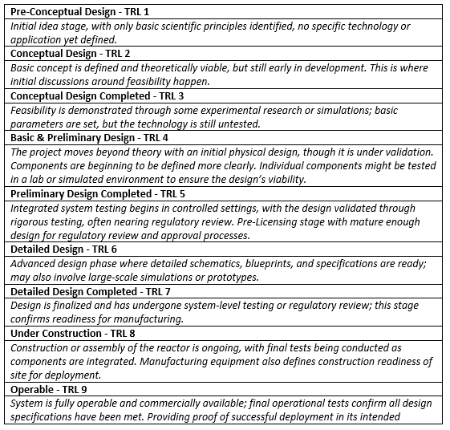
Project Name | Technology | Status | Production Start | Reference scale | TRL 1-9 | Remark/Reason | Scale out of 10 | 1.1111111111 |  |  | Tech | Paper | Data
ACP100 | Water Cooled SMR | Under Construction | 2026 (commercial operation) | 8 | 8 | Under Construction | 8.9 |  | Design Status | TRL | Water Cooled SMR | TRL 7-9 | 4.8
CAREM | Water Cooled SMR | Under Construction | 2026 (first criticality) | 8 | 8 | Under Construction | 8.9 |  | Pre-Conceptual design | 1 | High Temp Gas cooled SMR | TRL 5-7 | 4.4
SMR-160 | Water Cooled SMR | Preliminary Design Completed | 2023 (Ready for commercialization) | 4,5 | 5 | PSAR for Commercial Project by 2023: Preliminary Safety Analysis Report (PSAR) | 5.6 |  | Conceptual Design | 2 | Molten Salt SMR | TRL 3-5 | 4.0
VOYGR | Water Cooled SMR | Equipment Manifacturing | 2029 (Commercial operational) | 8 | 8 | construction start 2025 | 8.9 |  | Conceptual Design Completed | 3 | Liquid Metal cooled | TRL 4-6 | 4.5
RITM-200N | Water Cooled SMR | Detailed Design Completed | 2027 (First Electricity to be generated) | 6,7 | 7 | 2026 Operation license to be issued | 7.8 |  | Basic & Preliminary Design | 4
HAPPY200 | Water Cooled SMR | Detailed Design | 2027 (Commissioning & commercial) | 6,7 | 6 | 2025 To start construction of a proto-type NPP in China | 6.7 |  | Preliminary Design Completed | 5
BWRX-300 | Water Cooled SMR | Detailed Design | 2028 (Commercial) | 6,7 | 7 | 2022 Planned OPG submittal of License to Construct for DNNP-1 | 7.8 |  | Detailed Design | 6
RR SMR | Water Cooled SMR | Detailed Design | 2030 (Commercial Operation) | 6,7 | 7 | 2026 Projected start of first of a kind construction | 7.8 |  | Detailed Design Completed | 7
VK-300 | Water Cooled SMR | Detailed Design | 2013 (R&D for Design Validation) | 6,7 | 4 | Ongoing R&D for validation and actualization of a design | 4.4 |  | Under Construction & Equipment Manufacturing | 8
SMART | Water Cooled SMR | Detailed Design | 2020 (Design Approval) | 6,7 | 6 | 2019 pre project completed. Without future plans. | 6.7 |  | In Operation | 9
OPEN20 | Water Cooled SMR | Detailed Design | 2027 (Assembly line start) | 6,7 | 7 | Detailed Design and Construction-Ready Drawings | 7.8
Westinghouse SMR | Water Cooled SMR | Conceptual Design Completed | 2015 (Conceptual Design Complete) | 3 | 3 | Without future plans. | 3.3
IMR | Water Cooled SMR | Conceptual Design Completed | 2019 (SMR development based on the IMR experiences) | 3 | 3 | Without future plans. | 3.3
TEPLATOR | Water Cooled SMR | Conceptual Design | 2028+ (First Unit) | 2,3 | 4 | Start of DEMO unit construction | 4.4
RUTA-70 | Water Cooled SMR | Conceptual Design | 2003 (Tech & econ assesment) | 2,3 | 3 | Without future plans. | 3.3
KARAT-45 | Water Cooled SMR | Conceptual Design | T0+11 (First Start) | 2,3 | 2 | conformity with Russian laws. No designated schedule. | 2.2
NUWARD | Water Cooled SMR | Conceptual Design | 2030 (First Concrete) | 2,3 | 4 | preparing for pre-licensing | 4.4
CANDU SMR | Water Cooled SMR | Conceptual Design | 2028 (In service) | 2,3 | 3 | based on Contract Effective Date | 3.3
mPower | Water Cooled SMR | Conceptual Design | NAN | 2,3 | 2 | mid-2020s Design Certification and site-specific licensing, without future plans | 2.2
i-SMR | Water Cooled SMR | Conceptual Design | 2028 (Design Approval) | 2,3 | 3 | 2023 Basic design completed | 3.3
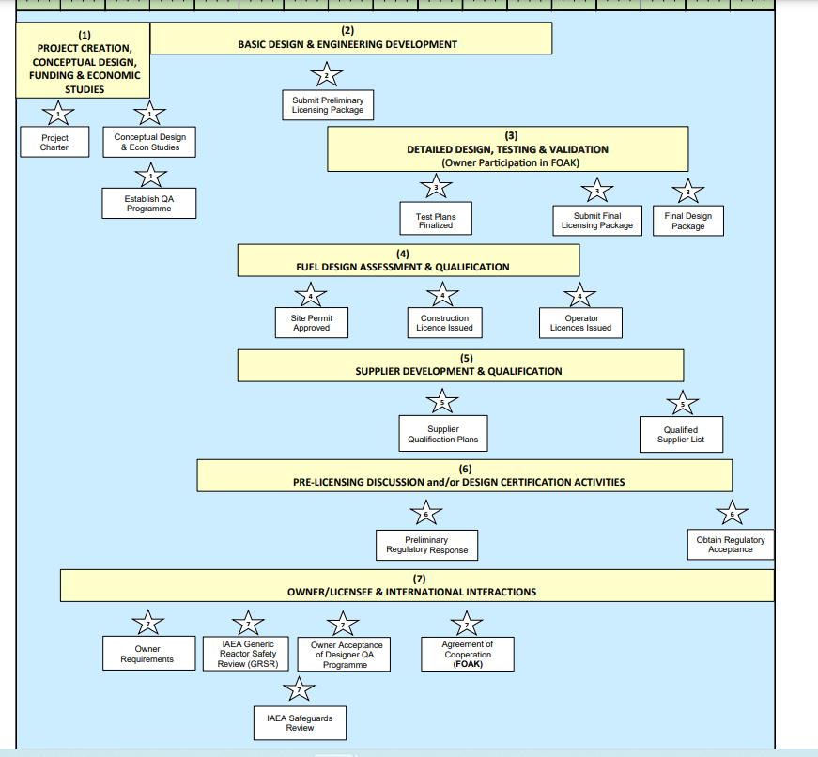
KARAT-100 | Water Cooled SMR | Conceptual Design | T0+11 (First Start) | 2,3 | 2 | waiting upon commercial request. Without future plans. | 2.2
DHR400 | Water Cooled SMR | Basic Design | 2023 (Commercial Operation) | 4,5 | 5 | Seeking for construction license in 2023. | 5.6
NHR200-II | Water Cooled SMR | Basic Design | 2022 (Demo Project) | 4,5 | 4 | 2022 Plan to complete the preliminary work | 4.4
CAP200 | Water Cooled SMR | Basic Design | 2022 (Basic Design Started) | 4,5 | 4 | 2022 Basic design started | 4.4
STAR | Water Cooled SMR | Basic Design | 2027 (Pilot Unit) | 4,5 | 5 | Site permit to be developed | 5.6
Starcore | High Temp Gas cooled SMR | Pre-Conceptual design | 2026 (Deployment/start of construction) | 1 | 2 | 2026 (Deployment/start of construction) | 2.2
HTR-PM | High Temp Gas cooled SMR | In operation | 2022 | 9 | 9 | 2022 operation | 10.0
MCSFR | Molten Salt SMR | Conceptual Design | 2030 (Licensing/building commercially) | 2,3 | 2 | conceptual design of pilot fuel production and reactor are in progress. | 2.2
THORIZON | Molten Salt SMR | Conceptual Design | 2035 (initial operation) | 2,3 | 3 | Interaction with Nuclear Safety Authority has started | 3.3
Jimmy | High Temp Gas cooled SMR | Detailed Design | 2026 (Commissioning, Fuel Loading & Test) | 6,7 | 7 | 2026 Commissioning | 7.8
GTHTR300 | High Temp Gas cooled SMR | Basic Design | 2040 (Operation & Demo) | 4,5 | 5 | The design is developed at pre-licensing basic design stage. | 5.6
MHR-T | High Temp Gas cooled SMR | Conceptual Design | 2020 ( Development of basic design solutions) | 2,3 | 3 | Feasibility study of plant application for large-scale hydrogen production completed | 3.3
SC-HTGR | High Temp Gas cooled SMR | Preliminary Design | 2033 (Commercial Operation) | 4,5 | 5 | pre-license application is underway. | 5.6
GT-MHR | High Temp Gas cooled SMR | Preliminary Design Completed | Since 2014 (Use for basis of MHR-T) | 4,5 | 5 | Completion of demonstration, no future plans | 5.6
ThorCon | Molten Salt SMR | Preliminary Design Completed | 2028 (commercial construction start) | 4,5 | 5 | 2028 Start of commercial operation | 5.6
EM^2 | High Temp Gas cooled SMR | Conceptual Design | Phase 3 (Proto Dev) | 2,3 | 3 | licensing for commercial unit | 3.3
FUJI | Molten Salt SMR | Preliminary Design Completed | 2022( experimental demo) | 4,5 | 5 | experimental MSRs were built. Detailed design not started | 5.6
IMSR400 | Molten Salt SMR | Detailed Design | 2031 (planned in service) | 6,7 | 7 | 2031 (planned in service) | 7.8
PBMR-400 | High Temp Gas cooled SMR | Preliminary Design Completed | 2018 (Project in care & maintance) | 4,5 | 4 | project was terminated in 2010 | 4.4
smTMSR-400 | Molten Salt SMR | Pre-Conceptual Design | > 2028 (construction start) | 1 | 1 | facilities demonstration | 1.1
Mk1 PB-FHR | Molten Salt SMR | Pre-Conceptual Design | ? 2018 (demo) | 1 | 1 | Without future plans. | 1.1
MHR-100 | High Temp Gas cooled SMR | Conceptual Design | 2020 (Basis for non elec nuclear) | 2,3 | 3 | feasibility study for for large-scale hydrogen production | 3.3
Westinghouse LFR | Liquid Metal cooled | Conceptual Design | Beyond 2030s (liscensed and deployed) | 2,3 | 3 | 2026 start of demo | 3.3
ARC-100 | Liquid Metal cooled | Preliminary Design | 2029 (License to Operate First Unit) | 4,5 | 5 | 2026 License to Prepare Site | 5.6
4S | Liquid Metal cooled | Detailed Design | 2013 (submitting technical report) | 6,7 | 6 | Without future plans | 6.7
MicroURANUS | Liquid Metal cooled | Conceptual Design | 2030 (construction permit for prototype reactor) | 2,3 | 2 | 2028 construction permit of the prototype | 2.2
BREST-OD-300 | Liquid Metal cooled | Under Construction | 2026 (Start operation of pilot plant) | 8 | 8 | Under Construction | 8.9
LFR-AS-200 | Liquid Metal cooled | Conceptual Design | NAN | 2,3 | 2 | Design restarted after an idle phase. Licensing process has not started. | 2.2
SVBR | Liquid Metal cooled | Detailed Design | 2032 (Serial production and supply of packaged equipment) | 6,7 | 7 | construction in 2025 | 7.8
SEALER-55 | Liquid Metal cooled | Conceptual Design | 2032 (operation of nuclear demonstration unit) | 2,3 | 3 | 2030 nuclear demonstration unit is taken into operation | 3.3
Xe-100 | High Temp Gas cooled SMR | Basic Design | 2025 (Start of Construction) | 4,5 | 5 | 2025 Start of Construction. Commission pre-licensing phase | 5.6
AHTR-100 | High Temp Gas cooled SMR | Conceptual Design Completed | 2019 (Hold due to Funding) | 3 | 3 | The licensing framework for the proof of concept is complete | 3.3
HTMR100 | High Temp Gas cooled SMR | Basic Design | 2022 (Basic design started) | 4,5 | 4 | 2022 Basic design started. | 4.4
FMR | High Temp Gas cooled SMR | Conceptual Design | 2035 (Commercialization) | 2,3 | 4 | pre-application licensing engagement | 4.4
SSR-W | Molten Salt SMR | Conceptual Design | 2021 (phase 1 completed) | 2,3 | 3 | Phase 2 review. Without future plans | 3.3
LFTR | Molten Salt SMR | Conceptual Design | NAN | 2,3 | 2 | design is in an early stage of development | 2.2
Copenhagen Atomics Waste Burner | Molten Salt SMR | Detailed Design | 2028 (test of commercial 100 MW reactor) | 6,7 | 7 | Test of demo reactor | 7.8
PeLUIt / RDE | High Temp Gas cooled SMR | Conceptual Design | 2022 (Concept Design for hydrogen) | 2,3 | 2 | hydrogen production system, without future plans | 2.2
SSR-U | Molten Salt SMR | Basic Design | 2023 (preliminary report completed) | 4,5 | 5 | Preliminary Safety Report (PSR) Complete | 5.6
KP-FHR | Molten Salt SMR | Conceptual Design | 2022 (ETU (engineering test unit) commissioning) | 2,3 | 4 | 2022 (ETU (engineering test unit) commissioning) | 4.4
CMSR | Molten Salt SMR | Conceptual Design | 2028 (1srt barge delivery) | 2,3 | 3 | 2026 end of design | 3.3
HTTR | High Temp Gas cooled SMR | In operation | 2021 (Operation started) | 9 | 9 | 2021 operation | 10.0
HTR-10 | High Temp Gas cooled SMR | Operable | 2018 (Restart, test temp distribution) | 9 | 9 | 2018 operation | 10.0

Excel Coupling Beta
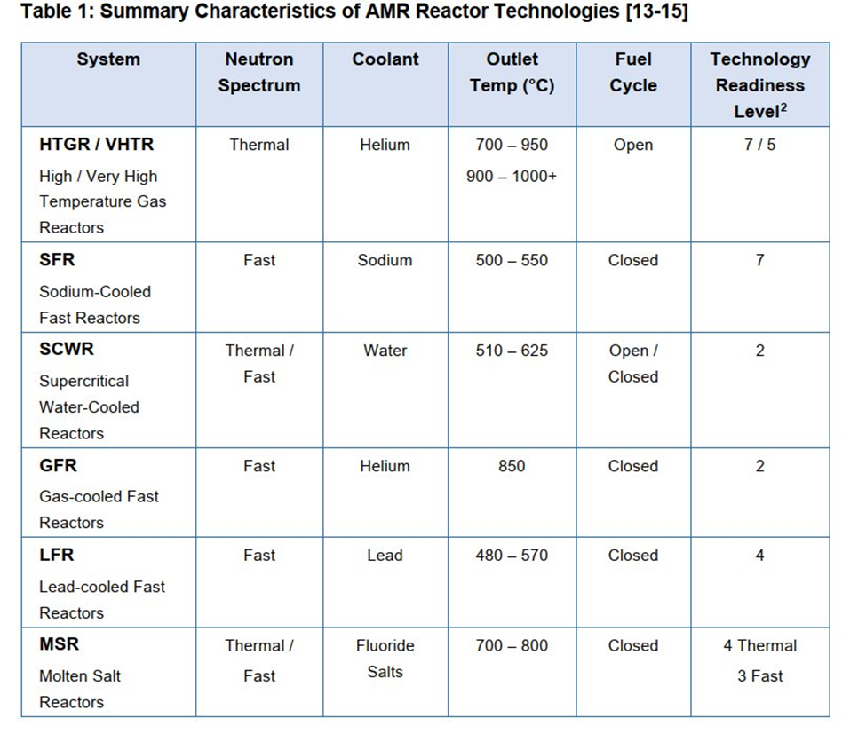
 |  |  |  |  |  |  |  |  |  | H2 density | 0,083 | kg/m³
Parameter/Electrolyzer Type | Alkaline (ALK) |  | Proton exchange membrane (PEM) |  |  | Solid oxide electrolyzer cell (SOEC) |  |  |  | 1KW=1J/s
Water T°C | 60 | 80 | 30 | 60 | 90 | 700 | 800 | 900 | minimum T°C values | 1 MWh= 1 3,6 x 10^9 J
Electricity input (MWh) | 0,050 | 0,051 | 0,060 | 0,055 | 0,055 | 0,041 | 0,041 | 0,041 |  | 1 MWh= x MJ / 3600
Thermal input (MWh) | 0,007 | 0,008 | 0,007 | 0,007 | 0,008 | 0,007 | 0,008 | 0,009
H2 Generation (kgH2) | 1 | 1 | 1 | 1 | 1 | 1 | 1 | 1

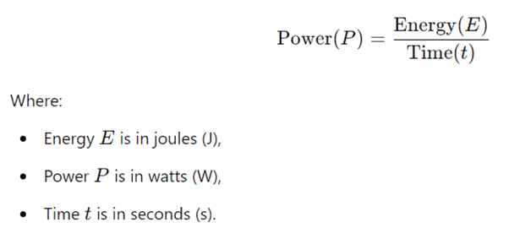
Reactor type |  | Outlet temp (◦C) | Temp min | Temp max | Thermal power (MWt) | Avg MWe | Avg MWt | Electrical output (MWe)
LWR | Light Water Reactor | Low (<300 ◦C) | 300 | - | 2500 | 1000 | 2500 | 930
AGR | Advanced Gas Reactor | Medium (<750 ◦C) | 650 | 750 | 1550 | 720 | 1800 | 577
SFR | Sodium Cooled Fast Reactor |  | 450 | 550 | 1250 |  |  | 465
LCR | Lead Cooled Fast Reactor |  | 480 | 570 | 1350 |  |  | 502
SCWR | Super Critical Water Reactor |  | 500 | 625 | 2500 |  |  | 930
MSFR | Molten Salt Fast Reactor |  | 650 | 750 | 2500 |  |  | 930
VHTR | Very High Temperature Reactor | High (<950 ◦C) | 900 | 950 | 600 | 560 | 1400 | 223
GFR | Gas Cooled Fast Reactor |  | 750 | 850 | 1450 |  |  | 539
MSR | Molten Salt Reactor |  | 750 | 950 | 2000 |  |  | 744
CAPACITY FACTOR EFFICIENCY | 0,93
HEAT TO ELECTRICITY CONVERSION | 0,4

COUPLING - STEP 1

Reactor type/Electrolyzer Type | Parameters defined per SMR | ALK (min T°C) | PEM (min T°C) | SOEC (min T°C)

LWR | Outlet temp (◦C) | 1 | 1 | 0
 | Electrical power (MWe) INPUT | 930 | 930 | 930
 | New H2 Generation (kgH2) | 18.6 | 15.579 | 22.822
 | Thermal power (MWt) INPUT | 135,4 | 106 | 169
 | Coupling | YES | YES | NO
AGR | Outlet temp (◦C) | 1 | 1 | 1
 | Electrical power (MWe) OUTPUT | 577 | 577 | 577
 | New H2 Generation (kgH2) | 11.532 | 9.659 | 14.15
 | Thermal power (MWt) INPUT | 84 | 65 | 105
 | Coupling | YES | YES | YES
SFR | Outlet temp (◦C) | 1 | 1 | 0
 | Electrical power (MWe) OUTPUT | 465 | 465 | 465
 | New H2 Generation (kgH2) | 9.3 | 7.79 | 11.411
 | Thermal power (MWt) INPUT | 68 | 53 | 85
 | Coupling | YES | YES | NO
LCR | Outlet temp (◦C) | 1 | 1 | 0
 | Electrical power (MWe) OUTPUT | 502 | 502 | 502
 | New H2 Generation (kgH2) | 10.044 | 8.413 | 12.324
 | Thermal power (MWt) INPUT | 73 | 57 | 91
 | Coupling | YES | YES | NO
SCWR | Outlet temp (◦C) | 1 | 1 | 0
 | Electrical power (MWe) OUTPUT | 930 | 930 | 930
 | New H2 Generation (kgH2) | 18.6 | 15.579 | 22.822
 | Thermal power (MWt) INPUT | 135 | 106 | 169
 | Coupling | YES | YES | NO
MSFR | Outlet temp (◦C) | 1 | 1 | 1
 | Electrical power (MWe) OUTPUT | 930 | 930 | 930
 | New H2 Generation (kgH2) | 18.6 | 15.579 | 22.822
 | Thermal power (MWt) INPUT | 135 | 106 | 169
 | Coupling | YES | YES | YES
VHTR | Outlet temp (◦C) | 1 | 1 | 1
 | Electrical power (MWe) OUTPUT | 223 | 223 | 223
 | New H2 Generation (kgH2) | 4.464 | 3.739 | 5.477
 | Thermal power (MWt) INPUT | 32 | 25 | 41
 | Coupling | YES | YES | YES
GFR | Outlet temp (◦C) | 1 | 1 | 1
 | Electrical power (MWe) OUTPUT | 539 | 539 | 539
 | New H2 Generation (kgH2) | 10.788 | 9.036 | 13.237
 | Thermal power (MWt) INPUT | 79 | 61 | 98
 | Coupling | YES | YES | YES
MSR | Outlet temp (◦C) | 1 | 1 | 1
 | Electrical power (MWe) OUTPUT | 744 | 744 | 744
 | New H2 Generation (kgH2) | 14.88 | 12.463 | 18.258
 | Thermal power (MWt) INPUT | 108 | 84 | 135
 | Coupling | YES | YES | YES

COUPLING - STEP 2

Criteria | Value | Weight

